Distribution by Market Cap
Distribution of Companies by Equity Market Value
January 2020

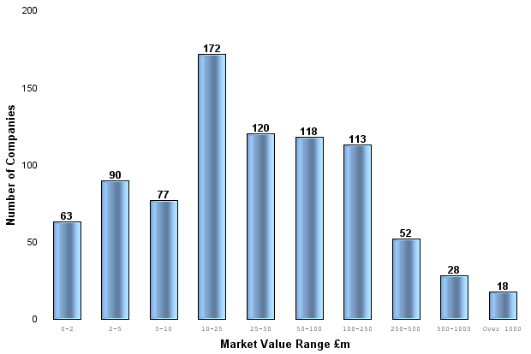
 | AIM (UK & International)
Market Value Range (£m) | No. of Companies | % | Equity Market Value (£m) | %
Over 1000 | 18 | 2.1% | 32,779.55 | 31.6%
500-1000 | 28 | 3.3% | 17,676.06 | 17.0%
250-500 | 52 | 6.1% | 18,559.65 | 17.9%
100-250 | 113 | 13.3% | 18,228.43 | 17.6%
50-100 | 118 | 13.9% | 8,480.52 | 8.2%
25-50 | 120 | 14.1% | 4,342.29 | 4.2%
10-25 | 172 | 20.2% | 2,847.28 | 2.7%
5-10 | 77 | 9.0% | 554.65 | 0.5%
2-5 | 90 | 10.6% | 321.93 | 0.3%
0-2 | 63 | 7.4% | 72.61 | 0.1%
Totals | 851 | 100.0% | 103,862.96 | 100.0%
Less than £25m | 402 | 47.2% | 3,796.47 | 3.7%
Less than £50m | 120 | 14.1% | 4,342.29 | 4.2%
More than £50m | 329 | 38.7% | 95,724.20 | 92.2%

